INSTRUCTIONS
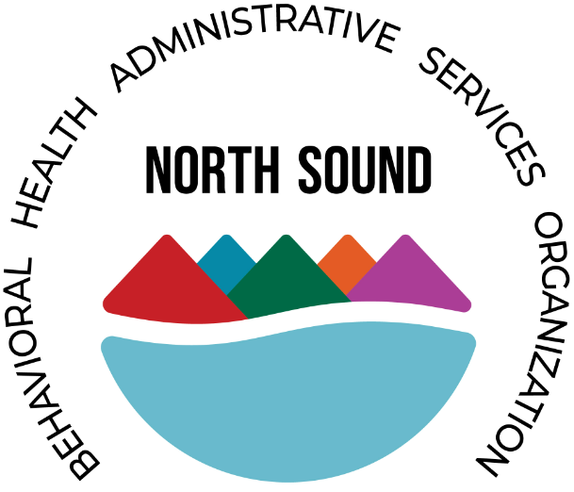
 | North Sound Behavioral Health Administrative Services Organization
 | BUDGET APPLICATION INSTRUCTIONS
 | Applicant Directions: Complete ALL GREEN CELLS on the SUMMARY BUDGET and NARRATIVE TABS.

REQUIRED DOCUMENTS:
Application Budget (Excel File)

INSTRUCTIONS:

1. The Budget must be submitted with visible formulas and references and must be broken out by project period, if other funding sources are being utilized they must be included for the total program costs. Files must not contain any hidden or otherwise inaccessible cells.

2. The Budget must contain sufficient detail to allow NS BH ASO to understand the proposed costs. The Applicant must ensure the budgeted costs address NS BH ASO reporting and other compliance requirements set forth in this grant solicitation.

3. The Budget must include the following, at a minimum:

Summary Budget, inclusive of all program costs (federal and non-federal), broken out by pre-filled specified major budget category and by pre-filled specified grant periods for activities implemented by the Applicant for the entire period of the program.

Budget Narrative, including a breakdown by provided grant period, sufficient to allow NS BH ASO to determine that the costs represent a realistic and efficient use of funding to implement the applicant’s program and are allowable in accordance with the cost principles found in 2 CFR 200 Subpart E.

4. The Budget Narrative must adhere to the following budget categories and provide the listed information, at a minimum:

Salaries and Benefits - Must be proposed consistent with 2 CFR 200.430 Compensation - Personal Services and 2 CFR 200.431 Compensation - Fringe Benefits.
*** The Applicant’s budget must include position title, Unit Definition, level of effort (number of hours per unit), salary hourly rate, and salary escalation factors (number of Months), for each position over the specified grant periods.
*** Benefits, when proposed, must be broken down by specific type and by position.
*** Applicants must explain all assumptions in the Budget Narrative.
*** The Budget Narrative must demonstrate that the proposed compensation is reasonable for the services rendered and consistent with what is paid for similar work in other activities of the applicant.

Other Direct Costs – This may include other costs not elsewhere specified as well as any other miscellaneous costs which directly benefit the program proposed by the applicant. The applicant should indicate the subject, venue and duration of any proposed conferences and seminars, and their relationship to the objectives of the program, along with estimates of costs. Otherwise, the narrative should be minimal.

Indirect Costs - Applicants must indicate whether they are proposing indirect costs or will charge all costs directly. In order to better understand indirect costs please see Subpart E of 2 CFR 200.414. As described in § 200.403, costs must be consistently charged as either indirect or direct costs, but may not be double charged or inconsistently charged as both.

A de minimis rate of 15% of modified total direct costs (MTDC) which may be used indefinitely. No documentation is required to justify the 15% de minimis indirect cost rate.

